Sheet1
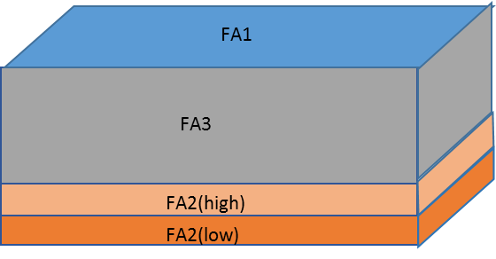
Hourly net entry risk by Functional Area (one-mosquito-constantly-present)
Species: | An. gambiae G3 colony
FA1 - roof | perim. (mm) | area (mm2) | width (mm) | # enc/h | P(pass/enc) | # pass/h | LCL | UCL
hole 1 | 10 | 10 | 10 | 0.013 | 0.233 | 0.003 | 0.000 | 1.043
hole 2 | 0 | 0 | 0 | 0.000 | 0.000 | 0.000 | 0.000 | 0.000
hole 3 | 0 | 0 | 0 | 0.000 | 0.000 | 0.000 | 0.000 | 0.000
hole 4 | 0 | 0 | 0 | 0.000 | 0.000 | 0.000 | 0.000 | 0.000
hole 5 | 0 | 0 | 0 | 0.000 | 0.000 | 0.000 | 0.000 | 0.000
 |  |  | Sub-total |  |  | 0.003 | 0.000 | 2.333
FA2(low) - lower half of lower third | perim. (mm) | area (mm2) | width (mm) | # enc/h | P(pass/enc) | # pass/h | LCL | UCL
hole 1 | 10 | 10 | 10 | 0.002 | 0.171 | 0.000 | 0.000 | 0.170
hole 2 | 0 | 0 | 0 | 0.000 | 0.000 | 0.000 | 0.000 | 0.000 | Mean entry risk (net score) = | 0.006
Mean entry risk by Functional Area
 | Entry risk by functional area
 | 0.003
 | 0.000
 | 0.002
 | 0.000
hole 3 | 0 | 0 | 0 | 0.000 | 0.000 | 0.000 | 0.000 | 0.000
hole 4 | 0 | 0 | 0 | 0.000 | 0.000 | 0.000 | 0.000 | 0.000
hole 5 | 0 | 0 | 0 | 0.000 | 0.000 | 0.000 | 0.000 | 0.000
 |  |  | Sub-total |  |  | 0.000 | 0.000 | 0.381
FA2(high) - upper half of lower third | perim. (mm) | area (mm2) | width (mm) | # enc/h | P(pass/enc) | # pass/h | LCL | UCL
hole 1 | 100 | 100 | 100 | 0.003 | 0.862 | 0.002 | 0.000 | 0.032
hole 2 | 0 | 0 | 0 | 0.000 | 0.000 | 0.000 | 0.000 | 0.000
hole 3 | 0 | 0 | 0 | 0.000 | 0.000 | 0.000 | 0.000 | 0.000
hole 4 | 0 | 0 | 0 | 0.000 | 0.000 | 0.000 | 0.000 | 0.000
hole 5 | 0 | 0 | 0 | 0.000 | 0.000 | 0.000 | 0.000 | 0.000
 |  |  | Sub-total |  |  | 0.002 | 0.000 | 0.070
FA3 - upper two thirds of net side | perim. (mm) | area (mm2) | width (mm) | # enc/h | P(pass/enc) | # pass/h | LCL | UCL
hole 1 | 100 | 100 | 100 | 0.001 | 0.862 | 0.000 | 0.000 | 0.010
hole 2 | 0 | 0 | 0 | 0.000 | 0.000 | 0.000 | 0.000 | 0.000
hole 3 | 0 | 0 | 0 | 0.000 | 0.000 | 0.000 | 0.000 | 0.000
hole 4 | 0 | 0 | 0 | 0.000 | 0.000 | 0.000 | 0.000 | 0.000
hole 5 | 0 | 0 | 0 | 0.000 | 0.000 | 0.000 | 0.000 | 0.000
 |  |  | Sub-total |  |  | 0.000 | 0.000 | 0.023
Total of all hourly entry risks (Net score) |  |  |  |  |  | 0.006 | 0.000 | 2.806

