Figures
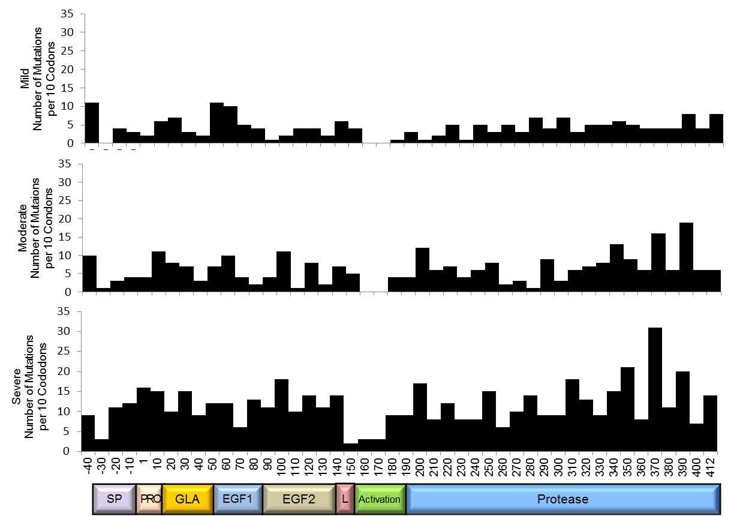
Figure 1. Number of Novel F9 Mutations by Year of Publication

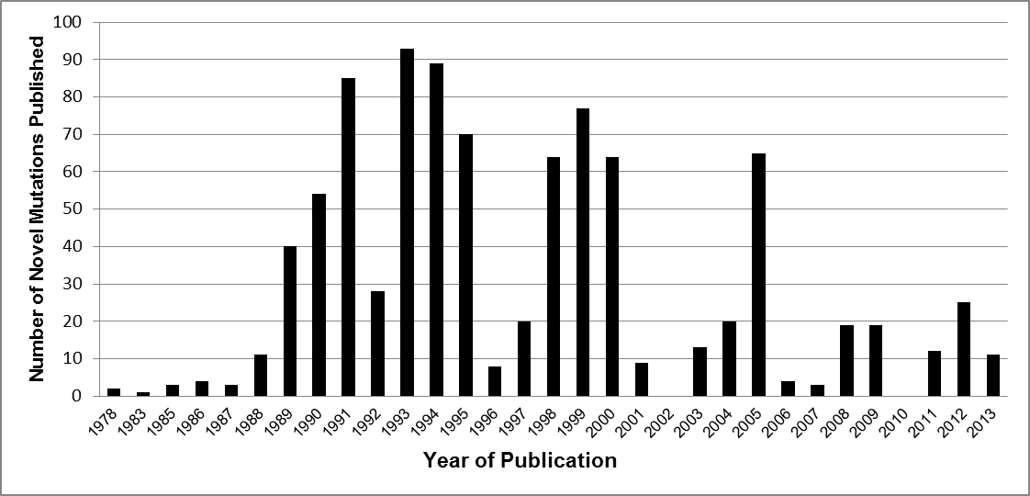

Figure 2. Frequency of F9 Mutation Types in the CHBMP Mutation List

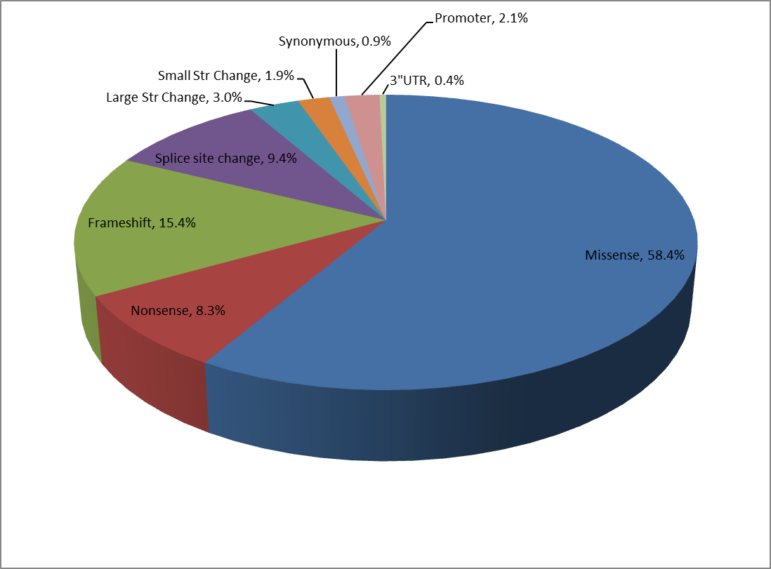

Figure 3. Number of Mutation Type by FIX Domain

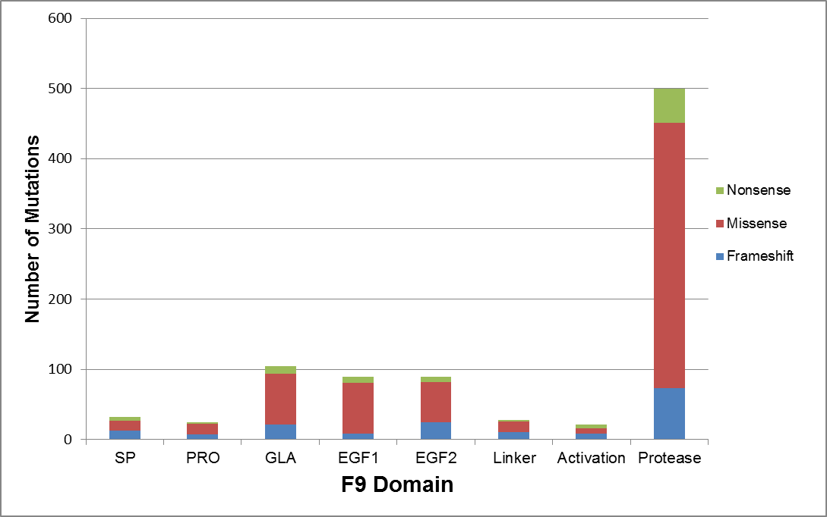

Figure 4. Distribution of Missense, Nonsense and Frameshift Mutations in F9 by codon

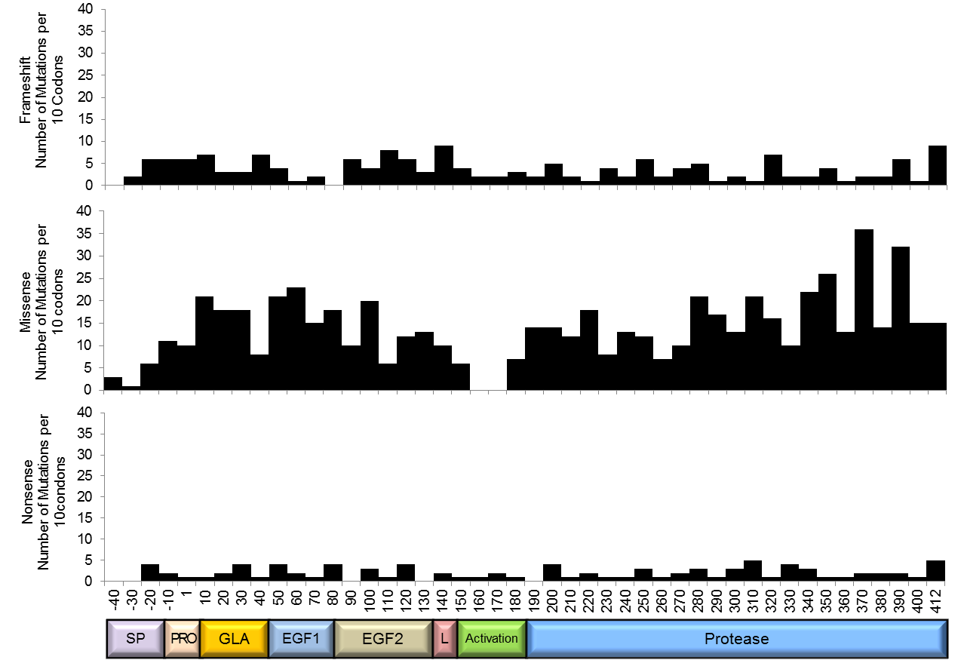

Figure 5. Large Deletions in F9 in the CHBMP Mutation List

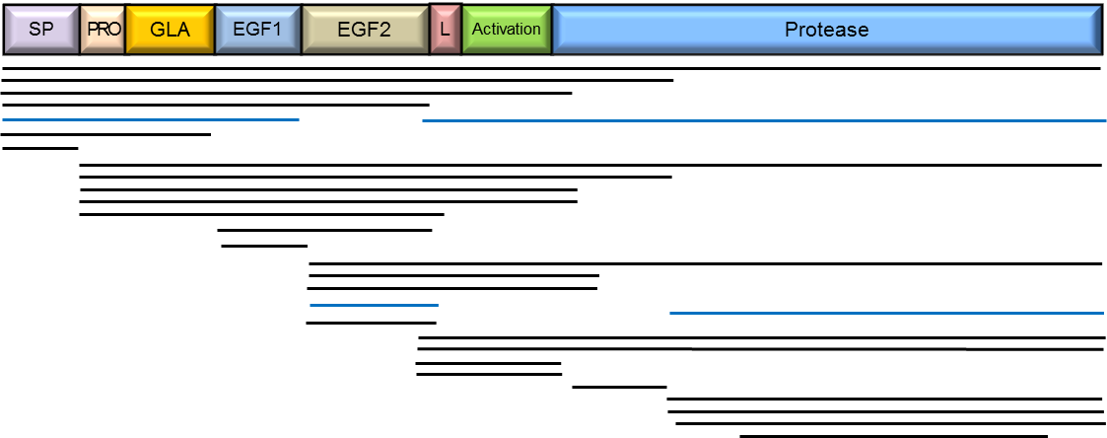

Figure 6. Distribution of F9 Mutations Associated with Mild, Moderate and Severe HemB

