Future earnings (CBO)
Projected change in real income |  |  | These data are used in the VSL annual update worksheet. To update these data, first go to www.cbo.gov and download the most recent long-term budget outlook report, and find the data on growth in real earnings per worker (Table A.2 in the 2021 report as replicated below). These data are usually reported each year, but the location and formatting of the relevant table may vary. Next, enter the estimated growth in real earnings per worker (marked in yellow below) into cell E18 in VSL annual update worksheet for ease of reference. Note that the calculations in the VSL annual update worksheet instead use data from column C in this worksheet, "Normalized Real Earnings per Worker." To update these data, first change the years in column A, beginning in cell A7 with the dollar year used in your analysis. Then enter the growth in real earnings per worker into the cells in column B. The normalized real earnings per worker in column C will then automatically update and be used in the calculations in rows 27-57 of the VSL annual update worksheet.
Source: Congressional Budget Office. 2021. The 2021 Long-Term Budget Outlook. https://www.cbo.gov/publication/57038.

Year | Growth of Real Earnings per Worker (%) | Normalized Real Earnings per Worker (relative to 2020)
2020 | 0.8 | 1.000
2021 | 0.8 | 1.008
2022 | 0.8 | 1.016
2023 | 0.8 | 1.024
2024 | 0.8 | 1.032
2025 | 0.8 | 1.041
2026 | 0.8 | 1.049
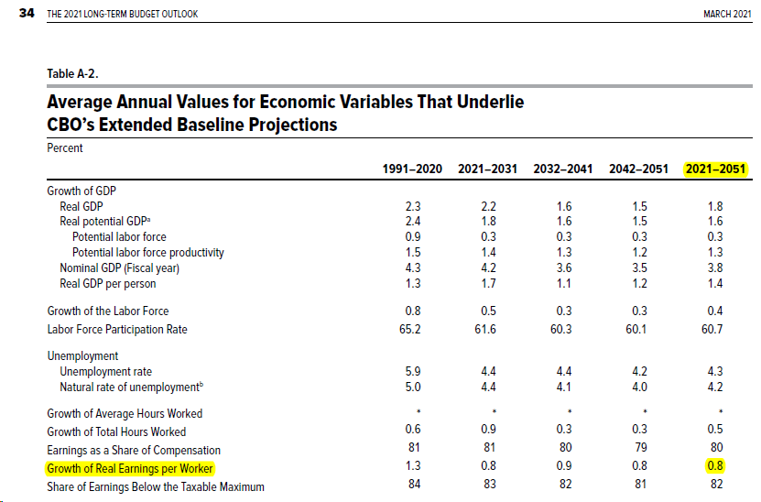
2027 | 0.8 | 1.057
2028 | 0.8 | 1.066
2029 | 0.8 | 1.074
2030 | 0.8 | 1.083
2031 | 0.8 | 1.092
2032 | 0.8 | 1.100
2033 | 0.8 | 1.109
2034 | 0.8 | 1.118
2035 | 0.8 | 1.127
2036 | 0.8 | 1.136
2037 | 0.8 | 1.145
2038 | 0.8 | 1.154
2039 | 0.8 | 1.163
2040 | 0.8 | 1.173
2041 | 0.8 | 1.182
2042 | 0.8 | 1.192
2043 | 0.8 | 1.201
2044 | 0.8 | 1.211
2045 | 0.8 | 1.220
2046 | 0.8 | 1.230
2047 | 0.8 | 1.240
2048 | 0.8 | 1.250
2049 | 0.8 | 1.260

